Order
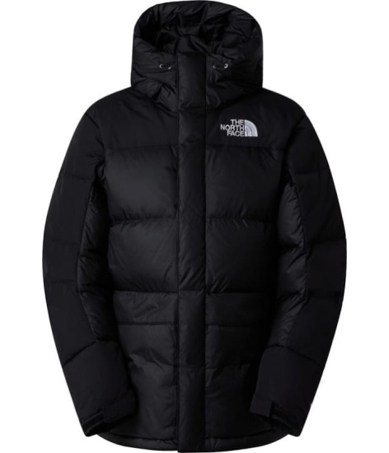
Material # | Style Description | UPC | SKU | COO | Offer Price USD | Quantity | Total
NF0A4QYXGOF1 | M HMLYN DOWN PARKA-TNF Black/R | 197804098750 | NF0A4QYXGOF10XS000 | Vietnam | $215.00 | 30 | $6,450.00
NF0A4QYXGOF1 | M HMLYN DOWN PARKA-TNF Black/R | 197804098552 | NF0A4QYXGOF100S000 | Vietnam | $215.00 | 195 | $41,925.00
NF0A4QYXGOF1 | M HMLYN DOWN PARKA-TNF Black/R | 197804098521 | NF0A4QYXGOF100M000 | Vietnam | $215.00 | 425 | $91,375.00
NF0A4QYXGOF1 | M HMLYN DOWN PARKA-TNF Black/R | 197804098361 | NF0A4QYXGOF100L000 | Vietnam | $215.00 | 300 | $64,500.00
NF0A4QYXGOF1 | M HMLYN DOWN PARKA-TNF Black/R | 197804098705 | NF0A4QYXGOF10XL000 | Vietnam | $215.00 | 300 | $64,500.00
NF0A4QYXGOF1 | M HMLYN DOWN PARKA-TNF Black/R | 197804098927 | NF0A4QYXGOF1XXL000 | Vietnam | $215.00 | 250 | $53,750.00

 |  |  |  |  |  |  | $322,500.00

